1. Title Page
Grocery Sales Analysis

Project Name: Instacart Grocery Sales Analysis
Date: May 28, 2025
Analyst Name: Susan Wang

Contents:
Data Citations
Population Flow
Consistency checks
Wrangling steps
Column derivations
Visualizations
Recommendations

2. Data Citations
Data Citations
Title page

Open Source Data:
"The Instacart Online Grocery Shopping Dataset", accessed from
www.instacart.com/datasets/grocery-shopping-2017 via Kaggle on May 19, 2025.
The "prices" column and the customers.csv data were fabricated by CareerFoundry for the purpose of this project.

3. Population Flow
Title page

Population flow

Exclusion flag
Condition: max_order < 5
Obervations to be removed: 1440295
Final total count of order_products_all: 30964564

Orders_products_combined
Orders_products_merged
Orders_products_all

Total: 32404859
Total: 32434489
Total: 32404859

4. Consistency checks
 |  |  |  | Title page
Consistency checks

Dataset | Missing values | Missing values treatment | Duplicates
orders | days_since_prior_order | new variable 'first order' | none
products | product_name | rows dropped | yes, removed
orders_products_prior | none | none | none
customers | in first_name | column dropped | none
ords_prods_agg | days_since_prior_order | crosstab with 'order_number' | none

5. Wrangling steps
 |  |  |  |  | Title page
Wrangling steps

Dataset | Columns dropped | Columns renamed | Columns' type changed | Comment/Reason
orders | eval_set' |  |  | not applicable in analysis
orders |  | orders_dow' to 'orders_day_of_the_week' |  | clearer to understand
orders |  |  | user_id' and 'order_id' to string | are not numeric values, converted to string
customers | first_name' |  |  | missing values, not needed in analysis
customers | date_joined' |  |  | not needed for analysis
customers |  | Surnam' to 'last_name' |  | typo, and more intuitve
customers |  | Age' to 'age' |  | lower case consistency
customers |  | Gender' to 'gender' |  | lower case consistency
customers |  | STATE' to 'state' |  | lower case consistency
customers |  |  | user_id' to string | not numeric value
ords_prods_all | last_name |  |  | security concern

6. Column derivations
 |  |  |  | Title page

Column derivations and aggregations

Dataset | New column | Column/s it was derived from | Conditions
orders | first_order | days_since_prior_order | if NaN, then True
ords_prods_merge | _merge | product_id | merge flag
ords_prods_merge | price_range | prices | > 15 'high', <= 15 and > 5 'mid', <= 5 'low'
ords_prods_merge | busiest_day | orders_day_of_the_week | top busiest, least busiest, all else regular
ords_prods_merge | busiest_days | orders_day_of_the_week | top 2 busiest, 2 least busiest, all else regular
ords_prods_merge | busiest_period_of_day | order_hour_of_day | top 4 busiest 'Most orders', mid 4 'Average orders', lowest 4 'Fewest orders'
ords_prods_derive | max_order | user_id, order_number | max order_number for each user_id
ords_prods_derive | loyalty_flag | max_order | > 40 'Loyal customer', > 10 and <= 40 'Regular', <= 10 'New'
ords_prods_derive | avg_prices | user_id, prices | average prices for each user_id
ords_prods_derive | spending_flag | avg_prices | avg price < 10 'Low spender', >= 10 'High spender'
ords_prods_derive | median_days | days_since_prior_order | median for each user_id
ords_prods_derive | frequency_flag | median_days | <= 10 'Frequent customer, >10 and <= 20 'Regular', >20 'Non-frequent'
ords_prods_all | region | state | https://simple.wikipedia.org/wiki/List_of_regions_of_the_United_States
ords_prods_all | exclusion | max_order | < 5 'exclude', >= 5 'include'
ords_prods_final | cust_profile | age, n_dependants | <= 40 with dependants 'young family', > 40 with dep 'older family', <=40 no dep 'single youth', >40 no dep 'single adult'

Flag/ label variables | Frequency tables

first_order | first_order | count
 | FALSE | 3214874
 | TRUE | 206209

_merge | _merge | count
 | both | 32404859
 | left_only | 0
 | right_only | 0

price_range | price_range | count
 | Mid-range product | 21860860
 | Low-range product | 10126321
 | High-range product | 417678

busiest_day | busiest_day | count
 | Regularly busy | 22416875
 | Busiest day | 6204182
 | Least busy | 3783802

busiest_days | busiest_days | count
 | Regular days | 12916111
 | Busiest days | 11864412
 | Slowest days | 7624336

busiest_period_of_day | busiest_period_of_day | count
 | Most orders | 21118071
 | Average orders | 9997651
 | Fewest orders | 1289137

loyalty_flag | loyalty_flag | count
 | Regular customer | 15876776
 | Loyal customer | 10284093
 | New customer | 6243990

spending_flag | spending_flag | count
 | Low spender | 31770614
 | High spender | 634245

frequency_flag | frequency_flag | count
 | Frequent customer | 21559853
 | Regular customer | 7208564
 | Non-frequent customer | 3636437
 | NaN | 5

region | region | count
 | South | 10791885
 | West | 8292913
 | Midwest | 7597325
 | Northeast | 5722736

exclusion | exclusion | count
 | include | 30964564
 | exclude | 1440295

cust_profile | cust_profile | count
 | Older family | 14856709
 | Young family | 8368174
 | Single adult | 4959422
 | Single youth | 2780259

7. Visualizations
 |  |  |  |  |  |  |  |  | Title page

Visualisations
In this tab you should include all the visualtions from Exercises 4.9 and 4.10, alongside the questions from the project brief that they answer. Include any commentary on the relationship between different variables.


Q1
 |  |  |  |  |  |  |  | The days of the week or ordered from Saturday to Friday (Saturday is 0, Friday is 6). The highest number of orders occur on the weekend, with Saturday as the highest number, followed by Sunday and Friday. There are less orders in the middle of the week.

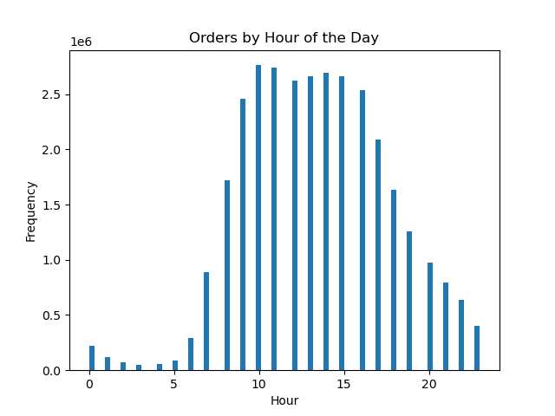
 |  |  |  |  |  |  |  | There are the least amount of orders during the night, when most people are sleeping. The amount of orders peak midday, between 10 am and 4 pm. In the late afternnon and evening, there are less orders, perhaps as families start cooking and settling down for dinner.

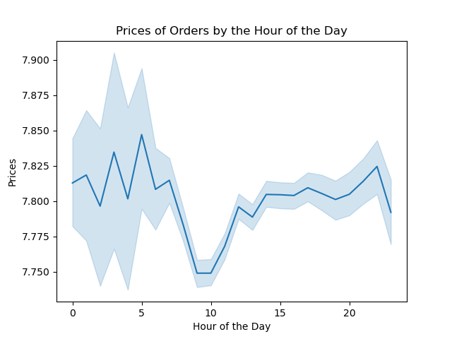
Q2
 |  |  |  |  |  |  |  | It seems that the prices of orders peak in the early hours of the morning, and are the lowest around 9 or 10 am. Perhaps the more regular customers buying groceries during the day pay for lower cost items, while in the middle of the night, customers are paying for more luxury items such as alcohol or snacks.

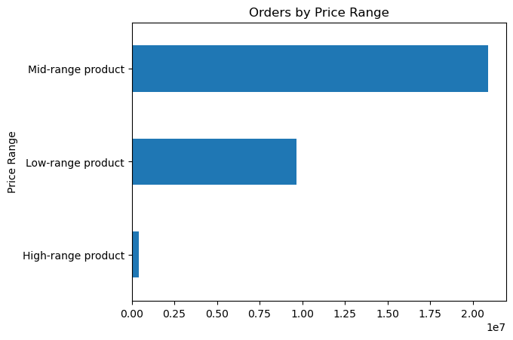
Q3
 |  |  |  |  |  |  |  | Customers purchase significantly more mid-range products (between 5 and 15) than low-range products. Very few orders are made for high-range products (over 15).

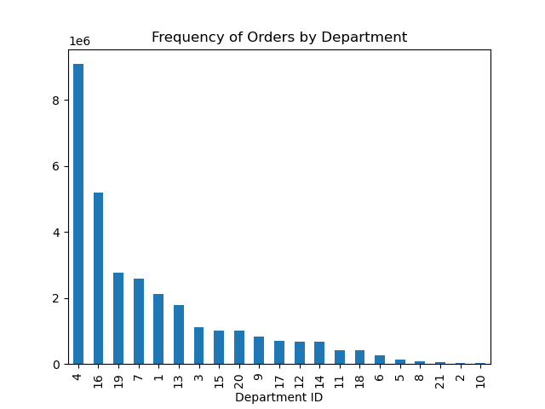
Q4
 |  |  |  |  |  |  |  | The most frequently ordered products are from produce (4), dairy/eggs (16) and snacks (19). The least ordered products are bulk items (10).

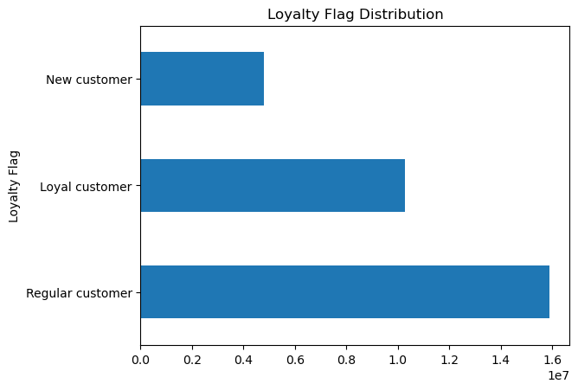
Q5
 |  |  |  |  |  |  |  | The vast majority of the customer base are regular customers, those that return to Instacart between 10 and 40 times. The new customer (less than 10 orders) are the smallest group.

 | loyalty_flag | mean prices |  |  |  |  |  | The average price of products that loyal customers spend is less than what new or regular customers spend. New customers spend on average more than regular or loyal customers.
Q6 | Loyal customer | 10.386335693
 | New customer | 13.294670107
 | Regular customer | 12.495716586

Q7 | region | High spender | Low spender |  |  |  |  | The numbers for the spender_flag has been normalized to account for the varying population of the regions. The Midwest has the highest proportion of high spenders. The Northeast has the highest proportion of low spenders.
 | Midwest | 2.05% | 97.95%
 | Northeast | 1.89% | 98.11%
 | South | 1.94% | 98.06%
 | West | 1.93% | 98.07%

 | region | Frequent customer | Non-frequent customer | Regular customer |  |  |  | Again the numbers for the frequency_flag has been normalized. The Midwest has the highest proportion of non-frequent customers (median order days > 20) The West has the highest proportion of frequent customers (median order days < = 10)
 | Midwest | 67.97% | 9.50% | 22.53%
 | Northeast | 68.46% | 9.09% | 22.45%
 | South | 68.60% | 9.39% | 22.01%
 | West | 68.80% | 9.34% | 21.86%

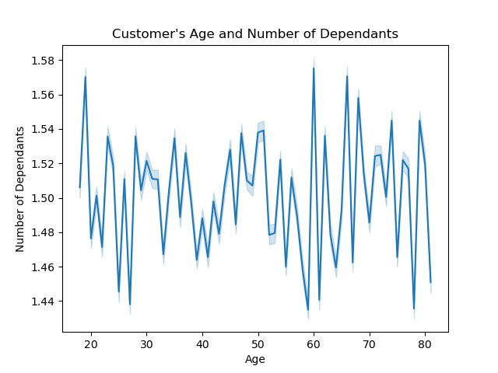
Q8
 |  |  |  |  |  |  |  | This line chart maps the relationship between the age of the customer and how many dependants the customer has. The range of the line varies greatly and spikes sharply throughout the graph, which indicates that there is no clear pattern or relationship between age and number of dependants.

Q8/ Q9 |  | age | age | age | age
 |  | mean | max | min | count |  |  | The family statistics clearly show that there is an age relationship to the definition of family status.
 | fam_status |  |  |  |  |  |  | All "living with parents" are under 22, all "divorced" are over 60.
 | divorced/widowed | 70.510584738 | 81 | 60 | 2645271 |  |  | All singles are under 60, which is saying there are no singles above the age of 60.
 | living with parents and siblings | 19.502089562 | 21 | 18 | 1481172 |  |  | All customers above 60 are either married or divorced/widowed.
 | married | 51.495619906 | 81 | 22 | 21743711
 | single | 38.600037296 | 59 | 18 | 5094410

 | fam_status | n_dependants | count |  |  |  |  | All "living with parents and siblings" are under 21, yet they claim 1-3 dependants?
 | divorced/widowed | 0 | 2645271 |  |  |  |  | This means that there are youths who are ordering products for their families. They should not be counted as singles.
 | living with parents and siblings | 1 | 508045
 | living with parents and siblings | 3 | 488469
 | living with parents and siblings | 2 | 484658
 | married | 3 | 7284047
 | married | 2 | 7248603
 | married | 1 | 7211061
 | single | 0 | 5094410

Q8 | fam_status | High-range product | Low-range product | Mid-range product |  |  |  | The data is grouped by family status. The results are normalized to account for varying populations in each group.
 | divorced/widowed | 1.29% | 31.24% | 67.47% |  |  |  | We can see here that the 'married' group orders the highest proportion of high-range products.
 | living with parents and siblings | 1.28% | 31.18% | 67.54% |  |  |  | The 'single' group orders the most low-range products.
 | married | 1.29% | 31.24% | 67.46% |  |  |  | All in all though, the groups order in relatively the same proportion among the different price ranges.
 | single | 1.24% | 31.27% | 67.49%

 | fam_status | Frequent customer | Non-frequent customer | Regular customer |  |  |  | The results here are again normalized.
 | divorced/widowed | 68.77% | 9.22% | 22.01% |  |  |  | The 'living with parents' group have a higher proportion of frequent purchases.
 | living with parents and siblings | 69.57% | 9.36% | 21.07% |  |  |  | The 'married' group have the highest proportion of non-frequent purchases.
 | married | 68.47% | 9.38% | 22.14% |  |  |  | All in all, each family status group have relatively similar distributions among the three frequency groups.
 | single | 68.04% | 9.28% | 22.69%


Q9
 |  |  |  |  |  |  |  | Here the scatterplot shows that most of the customers' income falls under 200,000. The population under 40 doesn't seem to reach an income above 400,000, but after age 40, there are more customers in the middle range between 200,000 and 400,000. Also afterr 40, there are customers who reach even the 600,000 threshold.

Q10
 |  |  |  |  |  |  |  | The mean of max_order across all profiles are relatively the same, with the "single adult" group ordering slightly more times.
 |  | max_order | max_order | max_order | prices | prices | prices | The mean of prices across all profiles are also relatively similar, with the 'single adult' group spending slightly more.
 |  | mean | max | min | mean | max | min
 | cust_profile
 | Older family | 34.198087679 | 99 | 5 | 7.7929064049 | 25 | 1
 | Single adult | 34.939427619 | 99 | 5 | 7.7949563005 | 25 | 1
 | Single youth | 34.205649186 | 99 | 5 | 7.7799055782 | 25 | 1
 | Young family | 34.598401157 | 99 | 5 | 7.7874405613 | 25 | 1

 |  |  |  |  |  |  |  | This shows how the customer profiles are distributed by region.
 | cust_profile | Midwest | Northeast | South | West |  |  | This results are normalized by column, so that we can see the proportion of each customer profile within each region.
 | Older family | 48.12% | 48.42% | 47.55% | 48.12% |  |  | The northeast has the highest proportion of older families.
 | Single adult | 16.20% | 15.83% | 15.84% | 16.21% |  |  | The west has the most single adults, the south has the most single youths.
 | Single youth | 8.90% | 8.96% | 9.20% | 8.78% |  |  | Young families are also more prominent in the south.
 | Young family | 26.78% | 26.79% | 27.41% | 26.90%

 | department_id | Older family | Single adult | Single youth | Young family |  |  | I have crossed the customer profiles with department IDs. The results are normalized to show what percentage of their purchases are within which department.
 | 1 | 6.86% | 6.91% | 6.72% | 6.85% |  |  | Babies products are dep 18. Alcohol is dep 5. We would expect that young parents would order more baby products and single adults and youths would order more alcholic products.
 | 2 | 0.11% | 0.11% | 0.12% | 0.11% |  |  | It does not seem that the young families are spending more on baby products, in fact they order less than the other groups.
 | 3 | 3.62% | 3.64% | 3.64% | 3.60% |  |  | The most orders for alcohol products is surprisingly in the young family group.
 | 4 | 29.28% | 29.39% | 29.42% | 29.33% |  |  | This group includes under 21 youths who live with family, but as they are under 21, they cannot purchase alcohol.
 | 5 | 0.45% | 0.48% | 0.47% | 0.49% |  |  | So, the alcohol purchases must be attributed to young couples with children.
 | 6 | 0.82% | 0.83% | 0.84% | 0.83% |  |  | All profiles spend the most on 16 and 4, which are produce, dairy and eggs.
 | 7 | 8.37% | 8.33% | 8.35% | 8.17% |  |  | Department 1 is frozen foods. It seems that single adults (over 40) are more reliant on these products.
 | 8 | 0.30% | 0.30% | 0.31% | 0.30%
 | 9 | 2.66% | 2.64% | 2.63% | 2.66%
 | 10 | 0.11% | 0.10% | 0.10% | 0.11%
 | 11 | 1.38% | 1.37% | 1.38% | 1.36%
 | 12 | 2.20% | 2.16% | 2.12% | 2.18%
 | 13 | 5.78% | 5.75% | 5.70% | 5.74%
 | 14 | 2.17% | 2.15% | 2.14% | 2.18%
 | 15 | 3.28% | 3.22% | 3.29% | 3.28%
 | 16 | 16.67% | 16.70% | 16.76% | 16.81%
 | 17 | 2.29% | 2.20% | 2.23% | 2.25%
 | 18 | 1.33% | 1.33% | 1.35% | 1.32%
 | 19 | 8.91% | 8.92% | 8.93% | 9.00%
 | 20 | 3.23% | 3.28% | 3.27% | 3.23%
 | 21 | 0.21% | 0.20% | 0.22% | 0.21%

8. Recommendations
 |  |  | Title page

Recommendations

In this tab you should include any recommendations you would made to Instcart in terms of their marketing strategy based on the questions posed in the brief. Every key question has been covered in the Tasks of the Exercises - here you need to add an item - a visualisation or table/crosstable that is showing the answer in the data, acompanied by a comment from you. Please, list the questions below and add the answer underneath.

Question Nr | Key Question | Answer
Q1 | What are the busiest days of the week and busiest hours of the day? The sales team would like to schedule ads at times when there are fewer orders. | The busiest days of the week are on the weekend. The sales team could schedule ads in the middle of the week, on Tuesday and Wednesday, which have the lowest number of orders. The busiest hours of the day are between 9 am and 4 pm. The ads could target the early morning and evening times when there are fewer orders.

Q2 | What are the times of the day when people spend the most money? This might inform the sales team on the type of products to advertise at these times. | Customers who make orders during the evening and night tend to purchase pricier items than the customers ordering during the workday hours. Since customers are willing to pay more during the evening and night hours, they could advertise for pricier luxury items during these times, such as alcoholic beverages or gourmet foods and party items.

Q3 | Instacart has a lot of products with different price tags. Marketing and sales want to use simpler price range groupings to help direct their efforts. | The products have been marked with flags of high, medium and low-range products. Marketing and sales can use these price range groupings to direct their efforts, especially toward mid-range products, as the majority of purchases are in this range.

Q4 | Are there certain types of products more popular than others? Marketing and sales want to know which departments have the highest frequency of product orders. | Produce and dairy/egg items have the highest frequency of product orders.

Q5 | What's the distribution among users in regards to their brand loyalty? (how often do they return to Instacart?) | The majority of customers are "regular" customers, and smallest group are "new" customers. As this loyalty status is fluid ("new customers" will become "regular" if they continue to return), marketing and sales may want to focus on retaining new customers. Also, the new customer base should ideally be larger if Instacart wishes to increase their overall customer base.

Q6 | Are there differences in ordering habits based on a customer's loyalty status? | New customers spend on average more than loyal or regular customers. Loyal customers spend the least.

Q7 | Are there differences in ordering habits based on a customer's region? | The Midwest spends the most on average, yet are also thee customers who orders least frequently.

Q8 | Is there a connection between age and family status in terms of ordering habits? | The customers in different family statuses have very similar ordering habits. From the charts in the Visualization page (under both Q8 and Q9) show that there are slight differences, but the general ordering habits do not differ much.

Q9 | What different classifications does the demographic information suggest? | We can group the customer profiles based on their age and their number of dependants. I have found through my analysis that number of dependants is a more reliable variable than family status. (see Visualization Q8/Q9) There seems to be a vast increase in income starting at the age of 40. This could be the age to define and separate the demographics of both families and singles.

Q10 | What differences can you find in ordering habits of different customer profiles? | Single adults (over 40) tend to order more frequently and buy also pricier items. Single adults are also ordering more frozen foods than families or youths.The West region has the highest proportion of single adults. Young families are surprisingly not ordering baby products more frequently than other groups. Perhaps there are some products in this category that other adults use as well. Young families are purchasing more alcohol products than other groups.

